CATALOG
2026 Order Form
PFA Pricing
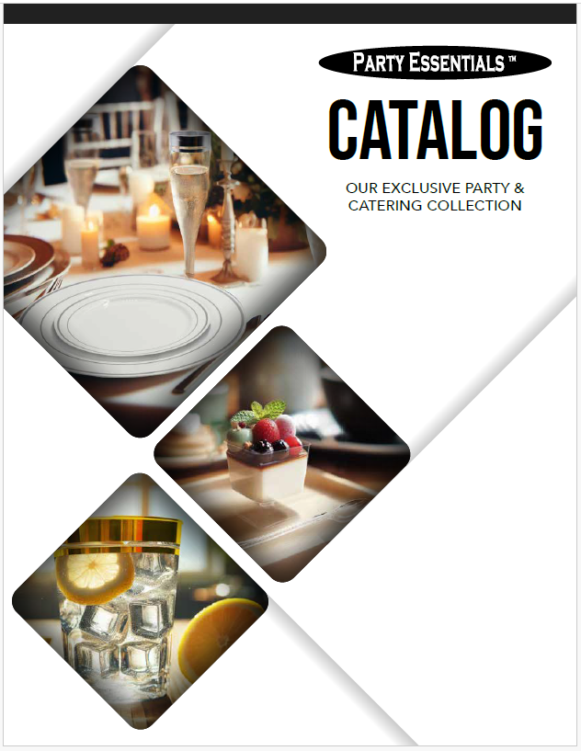
TIER 2
MINIMUM ORDER:
$100
PRE-PAID FREIGHT:
$750
TIER 1
MINIMUM ORDER: $1,500
PRE-PAID FREIGHT:
INCLUDED

Email: orders@nwparty.com
www.nwparty.com
SOLD TO:
SHIP TO:

PO #
 |  |  |  |  |  |  |  |  |  |  | Grand Total: | Grand Total:
 |  |  |  |  |  |  |  |  |  |  | $- | $-
 |  |  |  |  |  |  |  |  |  |  | T2 | T1
QTY | Page # | Item Number | Description | UPC Code | Case | Pack | TIER 2 Case Cost | TIER 2 Unit Price | TIER 1 Case Cost | TIER 1 Unit Price | Ext. Amt. | Ext. Amt.
 | 4 | N5124 | 5 oz. 1 pc. Champagne Flutes Box Set - Clear 4 Ct. | 0 98382 64821 7 | 12 | /4 | $45.64 | $3.80 | $39.41 | $3.28 | $- | $-
 | 4 | CHAMPBOX-6 | 5 oz. 1 pc. Champagne Flutes Box Set - Clear 10 Ct. | 0 98382 25010 6 | 6 | /10 | $34.85 | $5.81 | $29.50 | $4.92 | $- | $-
 | 4 | N525 | 5 oz. 1 pc. Champagne Flutes Box Set - Clear 25 Ct. | 0 98382 62521 8 | 4 | /25 | $54.96 | $13.74 | $47.78 | $11.95 | $- | $-
 | 4 | N052452 | 5 oz. 1 pc. Champagne Flutes Box Set - Gold Glitter 24 Ct. | 0 98382 68530 4 | 4 | /24 | $59.22 | $14.80 | $51.14 | $12.78 | $- | $-
 | 4 | N096821 | 9 oz. Stemless Champagne Flutes Box Set - Clear 8 Ct. | 0 98382 96821 6 | 6 | /8 | $32.14 | $5.36 | $28.45 | $4.74 | $- | $-
 | 4 | CHAMPBOX-625 | 5 oz. 1 pc. Champagne Flutes Box Set - Clear w/Gold Rim 10 Ct. | 0 98382 61496 0 | 6 | /10 | $37.22 | $6.20 | $32.41 | $5.40 | $- | $-
 | 4 | CHAMPBOX-651 | 5 oz. 1 pc. Champagne Flutes Box Set - Clear w/Silver Rim 10 Ct. | 0 98382 61498 4 | 6 | /10 | $37.22 | $6.20 | $32.41 | $5.40 | $- | $-
 | 4 | N52525 | 5 oz. 1 pc. Champagne Flutes Box Set - Clear w/Gold Rim 25 Ct. | 0 98382 61497 7 | 4 | /25 | $60.46 | $15.11 | $52.58 | $13.15 | $- | $-
 | 4 | N52551 | 5 oz. 1 pc. Champagne Flutes Box Set - Clear w/Silver Rim 25 Ct. | 0 98382 61499 1 | 4 | /25 | $60.46 | $15.11 | $52.58 | $13.15 | $- | $-
 | 4 | CHAMP4-20/20 | 4 oz. 2 pc. Champagne Glasses - Clear 20 Ct. | 0 98382 15340 7 | 20 | /20 | $87.65 | $4.38 | $75.69 | $3.78 | $- | $-
 | 4 | CHAMP4-10/40 | 4 oz. 2 pc. Champagne Glasses - Clear 40 Ct. | 0 98382 15304 9 | 10 | /40 | $78.51 | $7.85 | $67.80 | $6.78 | $- | $-
 | 4 | N45021 | 4 oz. 2 pc. Champagne Glasses - Clear 50 Ct. | 0 98382 10421 8 | 10 | /50 | $89.57 | $8.96 | $77.35 | $7.73 | $- | $-
 | 4 | N402021 | 4 oz. 2 pc. Champagne Glasses - Clear 20 Ct. | 0 98382 42021 9 | 12 | /20 | $51.45 | $4.29 | $44.43 | $3.70 | $- | $-
 | 4 | N452021 | 4.5 oz. 2 pc. Champagne Flutes - Clear 20 Ct. | 0 98382 42022 6 | 12 | /20 | $52.29 | $4.36 | $45.15 | $3.76 | $- | $-
 | 4 | N51021 | 5 oz. 2 pc. Elegance/Deluxe Champagne Flutes - Clear 10 Ct. | 0 98382 60522 7 | 12 | /10 | $52.40 | $4.37 | $43.43 | $3.62 | $- | $-
 | 4 | N522117 | 5 oz. 2 pc. Black Stem Champagne Flutes - 10 Ct. | 0 98382 51710 0 | 12 | /10 | $66.86 | $5.57 | $57.74 | $4.81 | $- | $-
 | 4 | N552021 | 5.5 oz. 2 pc. Mimosa Flutes - Clear 20 Ct. | 0 98382 62021 3 | 12 | /20 | $69.70 | $5.81 | $58.08 | $4.84 | $- | $-
 | 4 | N61021 | 6 oz. 2 pc. Deluxe Champagne Flutes - Clear 10 Ct. | 0 98382 61035 1 | 12 | /10 | $53.32 | $4.44 | $46.04 | $3.84 | $- | $-
 | 5 | N223021 | 2 oz. 1 pc. Mini Wine Tasters - Clear 20 Ct. | 0 98382 63223 0 | 24 | /20 | $72.86 | $3.04 | $59.66 | $2.49 | $- | $-
 | 5 | N510 | 5 oz. 1 pc. Elegance/Deluxe Wine Stems - Clear 10 Ct. | 0 98382 60527 2 | 24 | /10 | $46.08 | $1.92 | $39.80 | $1.66 | $- | $-
 | 5 | N824099 | 8 oz. 1 pc. Elegance/Deluxe Wine Stems - Clear 10 Ct. | 0 98382 60899 0 | 24 | /10 | $91.87 | $3.83 | $76.03 | $3.17 | $- | $-
 | 5 | N126621 | 12 oz. Stemless Wine Glasses Box Set - Clear 6 Ct. | 0 98382 26621 3 | 6 | /6 | $32.14 | $5.36 | $28.45 | $4.74 | $- | $-
 | 5 | N8124 | 8 oz. 1 pc. Wine Glasses Box Set - Clear 4 Ct. | 0 98382 64822 4 | 12 | /4 | $27.98 | $2.33 | $24.42 | $2.04 | $- | $-
 | 5 | WINEBOX-6 | 8 oz. 1 pc. Wine Glasses Box Set - Clear 8 Ct. | 0 98382 25008 3 | 6 | /8 | $34.85 | $5.81 | $29.50 | $4.92 | $- | $-
 | 5 | WINEBOX-625 | 8 oz. 1 pc. Wine Glasses Box Set - Clear w/Gold Rim 8 Ct. | 0 98382 64819 4 | 6 | /8 | $37.22 | $6.20 | $32.41 | $5.40 | $- | $-
 | 5 | WINEBOX-651 | 8 oz. 1 pc. Wine Glasses Box Set - Clear w/Silver Rim 8 Ct. | 0 98382 64820 0 | 6 | /8 | $37.22 | $6.20 | $32.41 | $5.40 | $- | $-
 | 5 | WINE5-20/20 | 5.5 oz. 2 pc. Wine Glasses - Clear 20 Ct. | 0 98382 15350 6 | 20 | /20 | $72.48 | $3.62 | $62.59 | $3.13 | $- | $-
 | 5 | WINE5-10/40 | 5.5 oz. 2 pc. Wine Glasses - Clear 40 Ct. | 0 98382 15305 6 | 10 | /40 | $72.48 | $7.25 | $62.59 | $6.26 | $- | $-
 | 5 | N55021 | 5.5 oz. 2 pc. Wine Glasses - Clear 50 Ct. | 0 98382 10521 5 | 10 | /50 | $90.60 | $9.06 | $78.24 | $7.82 | $- | $-
 | 5 | WINE7-20/20 | 7 oz. 2 pc. Wine Glasses - Clear 20 Ct. | 0 98382 17350 4 | 20 | /20 | $86.02 | $4.30 | $72.82 | $3.64 | $- | $-
 | 6 | N92521 | 9 oz. Tumblers - Clear 25 Ct. | 0 98382 60921 8 | 20 | /25 | $55.66 | $2.78 | $40.26 | $2.01 | $- | $-
 | 6 | N95021 | 9 oz. Tumblers - Clear 50 Ct. | 0 98382 60925 6 | 12 | /50 | $66.13 | $5.51 | $47.39 | $3.95 | $- | $-
 | 6 | N980 | 9 oz. Tumblers - Clear 80 Ct. | 0 98382 60995 9 | 6 | /80 | $41.15 | $6.86 | $35.53 | $5.92 | $- | $-
 | 6 | N910021 | 9 oz. Tumblers - Clear 100 Ct. | 0 98382 60922 5 | 6 | /100 | $58.08 | $9.68 | $45.41 | $7.57 | $- | $-
 | 6 | N102521 | 10 oz. Tumblers - Clear 25 Ct. | 0 98382 61021 4 | 20 | /25 | $61.24 | $3.06 | $52.88 | $2.64 | $- | $-
 | 6 | N105021 | 10 oz. Tumblers - Clear 50 Ct. | 0 98382 61030 6 | 12 | /50 | $72.44 | $6.04 | $62.56 | $5.21 | $- | $-
 | 6 | N1080 | 10 oz. Tumblers - Clear 80 Ct. | 0 98382 61095 5 | 6 | /80 | $62.96 | $10.49 | $54.37 | $9.06 | $- | $-
 | 6 | N1010021 | 10 oz. Tumblers - Clear 100 Ct. | 0 98382 61022 1 | 6 | /100 | $76.31 | $12.72 | $65.90 | $10.98 | $- | $-
 | 6 | N92025 | 9 oz Tumblers Clear w/Gold Rim 20 Ct. | 0 98382 92025 2 | 12 | /20 | $27.52 | $2.29 | $23.93 | $1.99 | $- | $-
 | 6 | N92051 | 9 oz Tumblers Clear w/Silver Rim 20 Ct. | 0 98382 92051 1 | 12 | /20 | $27.52 | $2.29 | $23.93 | $1.99 | $- | $-
 | 6 | N972025 | 9 oz Tumblers Black w/Gold Rim 20 Ct. | 0 98382 72025 8 | 12 | /20 | $27.52 | $2.29 | $23.93 | $1.99 | $- | $-
 | 6 | N972051 | 9 oz Tumblers Black w/Silver Rim 20 Ct. | 0 98382 72051 7 | 12 | /20 | $27.52 | $2.29 | $23.93 | $1.99 | $- | $-
 | 6 | N102025 | 10 oz Tumblers Clear w/Gold Rim 20 Ct. | 0 98382 02025 9 | 12 | /20 | $34.22 | $2.85 | $29.75 | $2.48 | $- | $-
 | 6 | N102051 | 10 oz Tumblers Clear w/Silver Rim 20 Ct. | 0 98382 02051 8 | 12 | /20 | $34.22 | $2.85 | $29.75 | $2.48 | $- | $-
 | 6 | N1072025 | 10 oz Tumblers Black w/Gold Rim 20 Ct. | 0 98382 70025 0 | 12 | /20 | $34.22 | $2.85 | $29.75 | $2.48 | $- | $-
 | 6 | N1072051 | 10 oz Tumblers Black w/Silver Rim 20 Ct. | 0 98382 70051 9 | 12 | /20 | $34.22 | $2.85 | $29.75 | $2.48 | $- | $-
 | 7 | N540-24 | 5 oz. Tumblers - Clear 40 Ct. | 0 98382 60524 1 | 24 | /40 | $78.67 | $3.28 | $67.85 | $2.83 | $- | $-
 | 7 | N720-24 | 7 oz. Tumblers - Clear 20 Ct. | 0 98382 60721 4 | 24 | /20 | $52.01 | $2.17 | $46.20 | $1.93 | $- | $-
 | 7 | N820-24 | 8 oz. Tumblers - Clear 20 Ct. | 0 98382 60825 9 | 24 | /20 | $59.66 | $2.49 | $49.63 | $2.07 | $- | $-
 | 7 | N920-24 | 9 oz. Tumblers - Clear 20 Ct. | 0 98382 60927 0 | 24 | /20 | $48.73 | $2.03 | $42.09 | $1.75 | $- | $-
 | 7 | N1020 | 10 oz. Tumblers - Clear 20 Ct. | 0 98382 61025 2 | 25 | /20 | $64.90 | $2.60 | $56.05 | $2.24 | $- | $-
 | 7 | N1220 | 12 oz. Tumblers - Clear 20 Ct. | 0 98382 61223 2 | 25 | /20 | $81.13 | $3.25 | $77.55 | $3.10 | $- | $-
 | 7 | N1420 | 14 oz. Tumblers - Clear 20 Ct. | 0 98382 61422 9 | 25 | /20 | $117.43 | $4.70 | $109.18 | $4.37 | $- | $-
 | 7 | N1620 | 16 oz. Tumblers - Clear 20 Ct. | 0 98382 61623 0 | 25 | /20 | $133.93 | $5.36 | $119.90 | $4.80 | $- | $-
 | 7 | N9122021 | 9 oz. Deluxe Tumblers - Clear 20 Ct. | 0 98382 60924 9 | 12 | /20 | $45.43 | $3.79 | $39.23 | $3.27 | $- | $-
 | 7 | N1024021 | 10 oz. Deluxe Tumblers - Clear 20 Ct. | 0 98382 61099 3 | 12 | /20 | $48.31 | $4.03 | $41.71 | $3.48 | $- | $-
...

