FH26 Promo and Cover
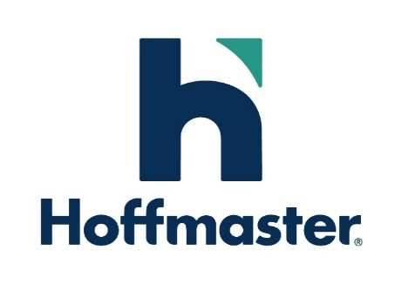

 |  |  |  |  |  | FALL 2026 Catalog Promotion

 | Attn: Customer Service |  |  |  |  |  |  |  |  |  | PROMOTION DEADLINE April 15, 2026 ORDERS RECEIVED AFTER DEADLINE WILL SHIP 90 DAYS FROM SUBMISSION DATE. JULY 15TH FOR PART A ITEMS, AUGUST 17TH FOR PART B ITEMS.
 | 265 Spring Street
 | Clintonville, WI 54929
 | 1-800-826-0418
 | Fax: 1-800-848-1421 |  |  |  |  |  |  |  |  |  |  |  |  |  |  |  |  | Order Code | PO # | Promo Region | Dating | Ship Date
 | orders@creativeconverting.com
 |  |  |  |  |  |  |  |  |  |  |  |  |  |  |  |  |  |  |  |  | A
 |  |  |  |  |  | Account Number |  |  |  |  |  |  |  | / |  |  |  |  |  |  | B
 |  |  |  |  |  | Account Name
 |  |  |  |  |  | Sales Rep Name
 |  | Rep # |  |  |  |  |  |  |  |  |  |  |  | Date Order Written

 | SHIP DATE: |  |  |  |  |  |  | Two Options: |  |  |  | 1) Split shipments Part A available July 15, 2026 and Part B available August 17, 2026
 |  |  |  |  |  |  |  |  |  |  |  | 2) Ship as one shipment AFTER August 17, 2026
 | PAYMENT DUE: |  |  |  |  |  |  | 90 Days from Shipment

Ship Backorders |  |  |  |  |  |  | Yes |  |  |  | No

Fax Confirm |  |  |  |  | Rep _____ |  |  |  | Fax # ______________________________________ |  |  |  |  |  |  |  | Customer ______ |  |  | Fax #
 |  |  |  | Check here if paying by Credit Card

PAYMENT
B |  |  |  |  |  |  |  |  |  |  |  |  |  | S
I |  |  |  |  |  |  |  |  |  |  |  |  |  | H
L |  |  |  |  |  |  |  |  |  |  |  |  |  | I
L |  |  |  |  |  |  |  |  |  |  |  |  |  | P

Card: |  | VISA |  | Mastercard |  |  |  |  | AMEX | Card Number |  |  |  |  |  | Security Code |  |  | __ __ __

Name On Card |  |  |  |  |  |  |  |  |  |  |  |  |  | Exp. | Signature

2026 Fall Holiday Promotion Summary

 | Qualify for discounts based on the amount and date items are purchased:

 |  |  | Order Size |  |  |  |  | If Order is placed by 4/15/26 |  |  |  |  | Promo Code

 |  |  | $500 - $1000 |  |  |  |  | 10% on FH |  |  |  |  | FW10
 |  |  | $1001 - $2000 |  |  |  |  | 15% on FH |  |  |  |  | FW15
 |  |  | $2001 or above |  |  |  |  | 20% on FH |  |  |  |  | FW20

To Qualify:
. | Promo is for product found in the Hoffmaster Fall Holiday 2026 Catalogs
. | Promo includes all Say Hooray! branded items, including Décor and Free-standing Décor
. | Promo DOES NOT include; Better than Linen, Linette, Touch of Color Solids, Celebrations, TrendWare, Sensations, NFL, and Collegiate
. | Customer must be within and current of existing credit and terms
. | Orders placed after April 15, 2026 will not receive any of the promo discounts but will qualify for 90-day dating

TERMS OF SALE
1. | Respective Terms of Sale from the 2026 Hoffmaster Fall Holiday Catalog apply, with the following additions:
2. | NO PHONE ORDERS WILL BE ACCEPTED
3. | This form must be attached to a completed 2026 Fall Holiday Order Form or emailed together with the order form for promotional consideration
4. | Promotion orders can be split into two ship dates, each order must hit $500 to qualify for free freight
 | - Limit of one order, one shipment per store Part A & one order, one shipment per store Part B
5. | $500 Free freight minimum applies for each order
6. | Discounted price is reflected in the price per line item on the invoice
7. | Discounts apply to eligible items only
8. | Deadline: Orders must be received by April 15, 2026 to qualify for the discount

Hoffmaster reserves the right to ship within 5 days of requested ship date to maximize order fulfillment

