Sheet1
Image |  | Item # | Description | UPC | Wholesale | MSRP
 | Under the Sea | SEA1001 | Fan Set | 699464262354 | $12.50 | $24.99
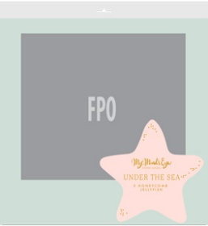 | Under the Sea | SEA1002 | Paper Lantern Bubbles | 699464262323 | $7.50 | $14.99
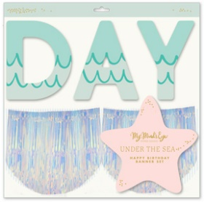 | Under the Sea | SEA1003 | Happy Birthday Banner Set | 699464262361 | $7.50 | $14.99
 | Under the Sea | SEA1004 | Jumbo Banner | 699464262330 | $5.00 | $9.99
 | Under the Sea | SEA1007 | Favor/Treat Boxes - treasure box | 699464262347 | $6.50 | $12.99
 | Under the Sea | SEA1011 | Party Cups - 12 oz | 699464262378 | $4.50 | $8.99
 | Under the Sea | SEA1016 | Seashell Placemat | 699464262408 | $5.00 | $9.99
 | Under the Sea | SEA1039 | Cocktail Napkin | 699464262415 | $3.50 | $6.99
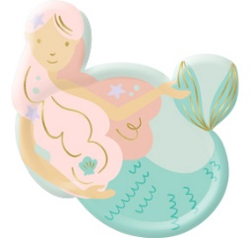 | Under the Sea | SEA1040 | Mermaid Plate | 699464262422 | $4.00 | $7.99

