Sheet1
SPORTS LINES

 | Item | Basic Description | UPC | INNER PACK | WHOLSALE | RETAIL
 | BAS1008 | Treat Bags | 699464272162 | 3 | $6.50 | $12.99
 | BAS1011 | Paper Cups | 699464272179 | 3 | $3.00 | $5.99
 | BAS1015 | Felt Pennant | 699464272186 | 3 | $5.00 | $9.99
 | BAS1021 | Baseball Diamond Placemat | 699464272193 | 3 | $5.00 | $9.99
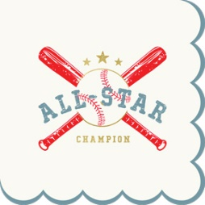 | BAS1039 | All Star Napkin | 699464272209 | 3 | $3.50 | $6.99
 | BAS1040 | Helmet Plate | 699464272216 | 3 | $4.00 | $7.99
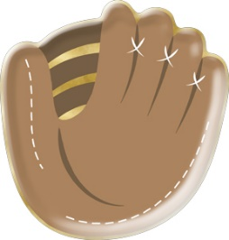 | BAS1041 | Mitt Plate | 699464272223 | 3 | $4.00 | $7.99
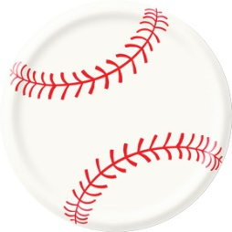 | BAS1042 | Baseball plate | 699464272230 | 3 | $4.00 | $7.99
PICKLEBALL
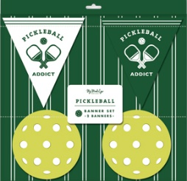 | PCK1002 | Pickleball Banner | 699464272407 | 3 | $7.50 | $14.99
 | PCK1011 | Paper Cups | 699464272414 | 3 | $3.00 | $5.99
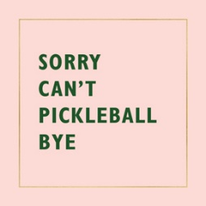 | PCK1036 | Pickleball Sayings Napkin Set | 699464272421 | 3 | $3.50 | $6.99
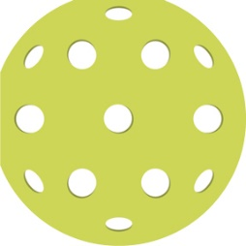 | PCK1037 | Pickleball Napkin | 699464272438 | 3 | $3.50 | $6.99
 | PCK1038 | Pink Paddle Napkin | 699464272445 | 3 | $3.50 | $6.99
 | PCK1039 | Green Paddle Napkin | 699464272452 | 3 | $3.00 | $5.99
 | PCK1040 | Pickleball Court Plate | 699464272469 | 3 | $4.00 | $7.99
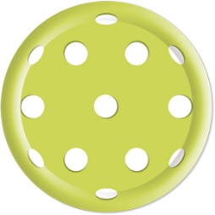 | PCK1041 | Pickleball Plate | 699464272476 | 3 | $4.00 | $7.99
 | PCK1042 | Pink Paddle Plate | 699464272483 | 3 | $4.00 | $7.99
 | PCK1043 | White Paddle Plate | 699464272490 | 3 | $4.00 | $7.99
BASKETBALL
 | BBL1008 | Treat Bags | 699464272094 | 3 | $6.50 | $12.99
 | BBL1011 | Paper Cups | 699464272100 | 3 | $3.00 | $5.99
 | BBL1020 | Table Runner | 699464272117 | 3 | $5.00 | $9.99
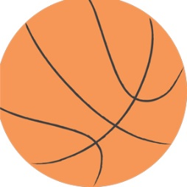 | BBL1038 | Basketball Napkin | 699464272124 | 3 | $3.50 | $6.99
 | BBL1039 | Shoe Napkin | 699464272131 | 3 | $4.00 | $7.99
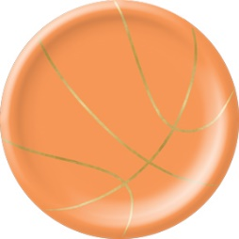 | BBL1040 | Basketball Plate | 699464272148 | 3 | $3.75 | $7.49
 | BBL1041 | Basketball Court Plate | 699464272155 | 3 | $4.00 | $7.99
SOCCER
 | SOC1008 | Treat Bags | 699464272261 | 3 | $6.50 | $12.99
 | SOC1011 | Paper Cups | 699464272278 | 3 | $3.00 | $5.99
 | SOC1015 | Felt Pennant | 699464272285 | 3 | $5.00 | $9.99
 | SOC1020 | Table Runner | 699464272292 | 3 | $5.00 | $9.99
 | SOC1038 | Shoe Napkin | 699464272308 | 3 | $4.00 | $7.99
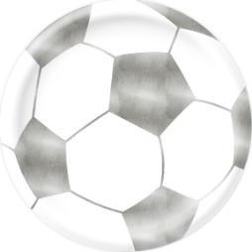 | SOC1039 | Soccer Ball Napkin | 699464272315 | 3 | $3.50 | $6.99
 | SOC1040 | Soccer Ball Plate | 699464272322 | 3 | $3.75 | $7.49
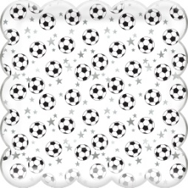 | SOC1041 | Scattered Ball Plate | 699464272339 | 3 | $3.75 | $7.49
FOOTBALL
 | FTB913 |  | 699464262552 | 3 | $5.00 | $9.99
 | FTB914 |  | 699464262569 | 3 | $6.25 | $12.49
 | FTB920 |  | 699464262576 | 3 | $5.00 | $9.99
 | FTB930 |  | 699464262583 | 3 | $8.00 | $15.99
 | FTB938 |  | 699464262590 | 3 | $4.00 | $7.99
 | FTB939 |  | 699464262606 | 3 | $4.00 | $7.99
 | FTB940 |  | 699464262613 | 3 | $4.00 | $7.99
 | FTB942 |  | 699464262637 | 3 | $4.00 | $7.99

