Sheet1
PICTURE | DESCRIPTION | ITEM | UPC | WHOLSALE | MSRP
 | Happy Birthday Banner Set | MIL1002 | 699464280167 | $7.50 | $14.99
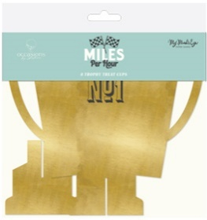 | Trophy Treat Cups | MIL1008 | 699464280174 | $6.50 | $12.99
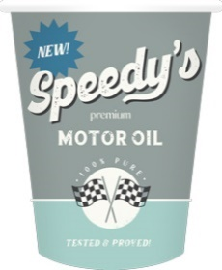 | Speedy Paper Cup | MIL1011 | 699464280181 | $3.00 | $5.99
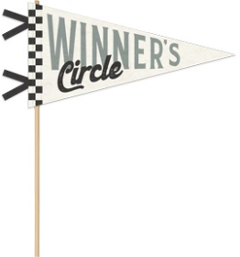 | Winners Circle Felt Pennant | MIL1015 | 699464280198 | $5.00 | $9.99
 | Checkered Flag Table Runner | MIL1020 | 699464280204 | $5.00 | $9.99
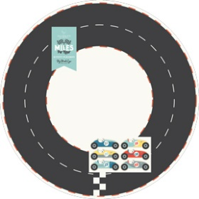 | Race Track Placemat | MIL1022 | 699464280211 | $5.00 | $9.99
 | Race Car Napkin Set | MIL1039 | 699464280228 | $4.00 | $7.99
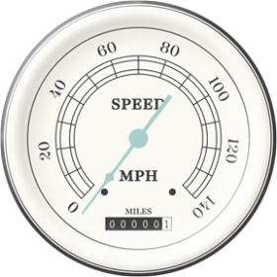 | Speedometer Plate | MIL1040 | 699464280235 | $3.75 | $7.49
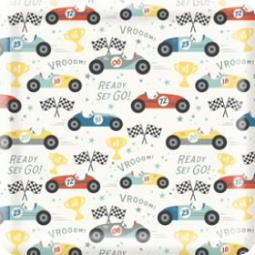 | Race Pattern Plate | MIL1041 | 699464280242 | $3.75 | $7.49

