Sheet1
 | Item # | Description | UPC | WHOLESALE PACKS | Wholesale | MSRP
 | CWG1002 | Let's Go Girls Banner | 699464271905 | 3 | $5.00 | $9.99
 | CWG1011 | Party Cups - 12 oz | 699464271936 | 3 | $3.00 | $5.99
 | CWG1020 | Table Runner | 699464271943 | 3 | $5.00 | $9.99
 | CWG1038 | Boot Napkin | 699464271950 | 3 | $4.00 | $7.99
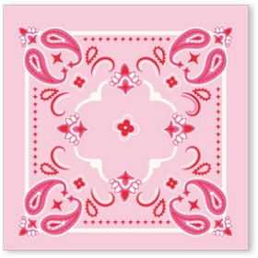 | CWG1039 | Bandana Napkin | 699464271967 | 3 | $3.50 | $6.99
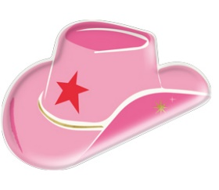 | CWG1040 | Hat Plate | 699464271974 | 3 | $4.00 | $7.99
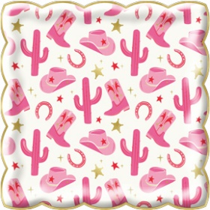 | CWG1041 | Scatter Plate | 699464271981 | 3 | $3.75 | $7.49
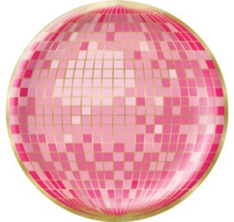 | CWG1042 | Disco Ball Plate | 699464271998 | 3 | $3.75 | $7.49

