Graduation
Picture | ITEM # | Description | UPC | Inner Case | Wholesale | Retail
 | GRD1002 | Congrats Grad Cap Banner Set | 699464271653 | 3 | 7.50 | 14.99
 | GRD1011 | Grad Party Cup | 699464271660 | 3 | 2.50 | 4.99
 | GRD1015 | Grad Pennant | 699464271677 | 3 | 5.00 | 9.99
 | GRD1020 | Congrats Table Runner | 699464271684 | 3 | 5.00 | 9.99
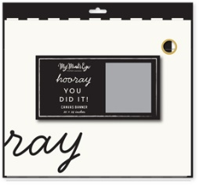 | GRD1021 | Hooray Canvas Banner | 699464271691 | 3 | 7.50 | 14.99
 | GRD1035 | Diploma Napkin | 699464271707 | 3 | 4.00 | 7.99
 | GRD1036 | Congrats Striped Napkin | 699464271714 | 3 | 4.00 | 7.99
 | GRD1037 | Cap Napkin | 699464271721 | 3 | 4.00 | 7.99
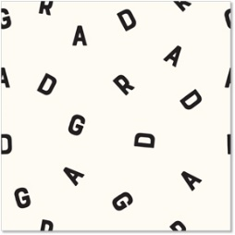 | GRD1038 | GRAD letters Napkin | 699464271738 | 3 | 3.50 | 6.99
 | GRD1039 | Script grad napkin | 699464271745 | 3 | 3.50 | 6.99
 | GRD1040 | Cap Scatter Plate | 699464271752 | 3 | 3.50 | 6.99
 | GRD1041 | Yay Star Plate | 699464271769 | 3 | 3.75 | 7.49
 | GRD1042 | Graduate Congrats Plate | 699464271776 | 3 | 3.75 | 7.49
 | GRD1043 | Cap Plate | 699464271783 | 3 | 4.00 | 7.99
 | GRD1044 | GRAD shaped Plate | 699464271790 | 3 | 4.00 | 7.99

