Sheet1
 | ITEM # | DESCRIPTION | UPC | Wholesale Packs | WS PRICE | MSRP

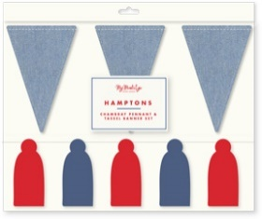 | HAM1002 | Chambray & Tassel Banner Set | 699464272759 | 3 | $15.00 | $29.99
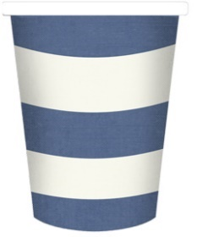 | HAM1011 | Striped Paper Cups | 699464272766 | 3 | $3.00 | $5.99
 | HAM1020 | Striped Table Runner | 699464272773 | 3 | $5.00 | $9.99
 | HAM1017 | Star Sundae Cups | 699464272780 | 3 | $4.00 | $7.99
 | HAM1030 | Striped Chambray and Red Striped Tray | 699464272797 | 3 | $8.50 | $16.99
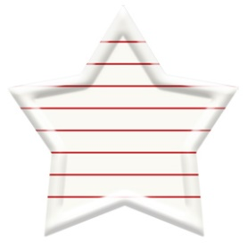 | HAM1031 | Red Striped Bamboo Star Tray | 699464272803 | 3 | $8.50 | $16.99
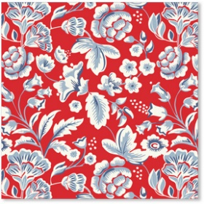 | HAM1039 | Hamptons Floral Cocktail | 699464272810 | 3 | $3.50 | $6.99
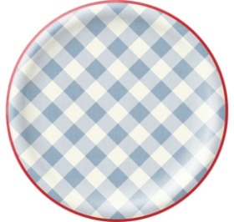 | HAM1040 | Chambray Gingham 10" Plate | 699464272827 | 3 | $4.00 | $7.99
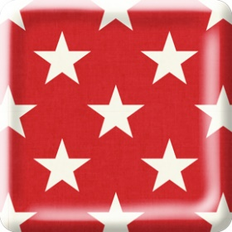 | HAM1041 | Scalloped Square Star 9" Plate | 699464272834 | 3 | $3.75 | $7.49
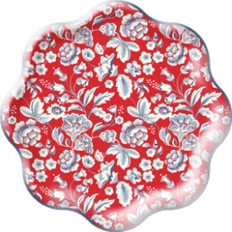 | HAM1042 | Hamptons Floral Waved 9" Plate | 699464272841 | 3 | $3.75 | $7.49

 | SSP1002 | Red White Blue Large Tissue Fans | 699464272865 |  | $5.00 | who did Halloween?
 | SSP1003 | Multicolor Large Tissue Fans | 699464272872 |  | $5.00
 | SSP1004 | Land of the Free Banner | 699464272889 |  | $5.00
 | SSP1006 | Stars & Stripes Outdoor Banner | 699464272896 |  | $12.50
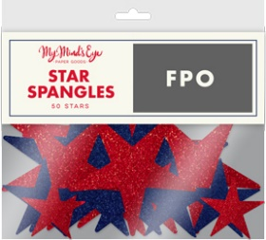 | SSP1007 | Bag of Stars | 699464272902 |  | $5.00
 | SSP1015 | Stars & Stripes Felt Pennant | 699464272919 |  | $5.00
 | SSP1016 | Star with Stars Balloon | 699464272926 |  | $4.00 | Why no Shannon Quote
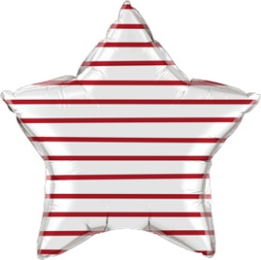 | SSP1017 | Star with Stripes Balloon | 699464272933 |  | $4.00 | Why no Shannon Quote
 | SSP1022 | Color the USA Map Placemat | 699464272957 |  | $5.00
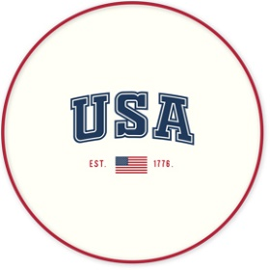 | SSP1030 | USA round tray | 699464272964 |  | $10.00
 | SSP1031 | Stacked Bamboo Tray Set | 699464272971 |  | $10.00 | need to know packaging
 | SSP1032 | Red/White Striped Bamboo Tray | 699464272988
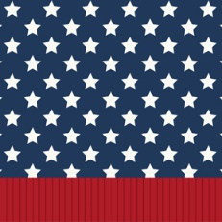 | SSP1039 | Stars & Fringe Cocktail Napkin | 699464272995 |  | $3.50
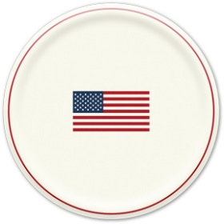 | SSP1040 | Flag 9" Plate | 699464273008 |  | $3.75
 | SSP1041 | Home of the Brave Plate | 699464280013
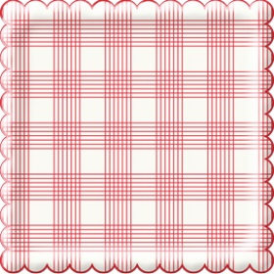 | SSP1042 | Striped Checked 9" Plate | 699464272858 |  | $3.75

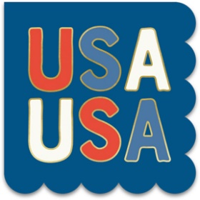 | USA1039 | USA Cocktail Napkin | 699464280020 |  | $3.50
 | USA1040 | Star & Stripe Smiley Plate Set | 699464280037 |  | $3.75

 | LAD1038 | Hooray napkin | 699464280044 |  | $4.00
 | LAD1039 | Lady Liberty napkin | 699464280051 |  | $4.00
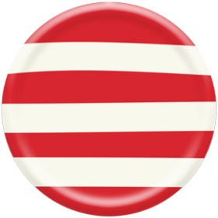 | LAD1040 | Lady Liberty plate | 699464280068 |  | $3.75
 | LAD1041 | Lady Liberty plate | 699464280075 |  | $4.00
 | LAD1042 | Lady Liberty plate | 699464280082 |  | $3.75

